Sheet1
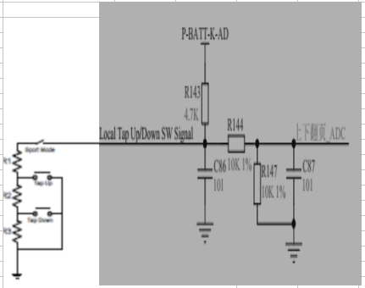
 |  | Rn | 4700
 |  | R1 | 634
 |  | R2 | 1370
 |  | R3 | 4120

开关位置 | 对应开关位置电压计算 |  |  | 电压转换的AD数值

position | VOL |  |  | AD value
SPORT OFF | BAT_AD * (10K / 24.7K) |  |  | [ BAT_AD * (10K / 24.7K)] * 4096 /5
SPORT ON | BAT_AD * (4.68 / (4.68 + 4.7 )) * 1/2 |  |  | [BAT_AD * (4.68 / (4.68 + 4.7 ))*1/2] * 4096 /5
TAP_UP | BAT_AD * (0.61 / (0.61 + 4.7 )) * 1/2 |  |  | [BAT_AD * (0.61 / (0.61 + 4.7 )) * 1/2] * 4096 /5
TAP_DOWN | BAT_AD * (1.82 / (1.82 + 4.7 )) * 1/2 |  |  | [BAT_AD * (1.82 / (1.82 + 4.7 )) * 1/2] *4096 /5
OUT OF RANGE

注: P_BATT_K_AD 为 从 BAT 模块读取的适时电压

